buatkan tabelnya dong untuk lat
Latensi
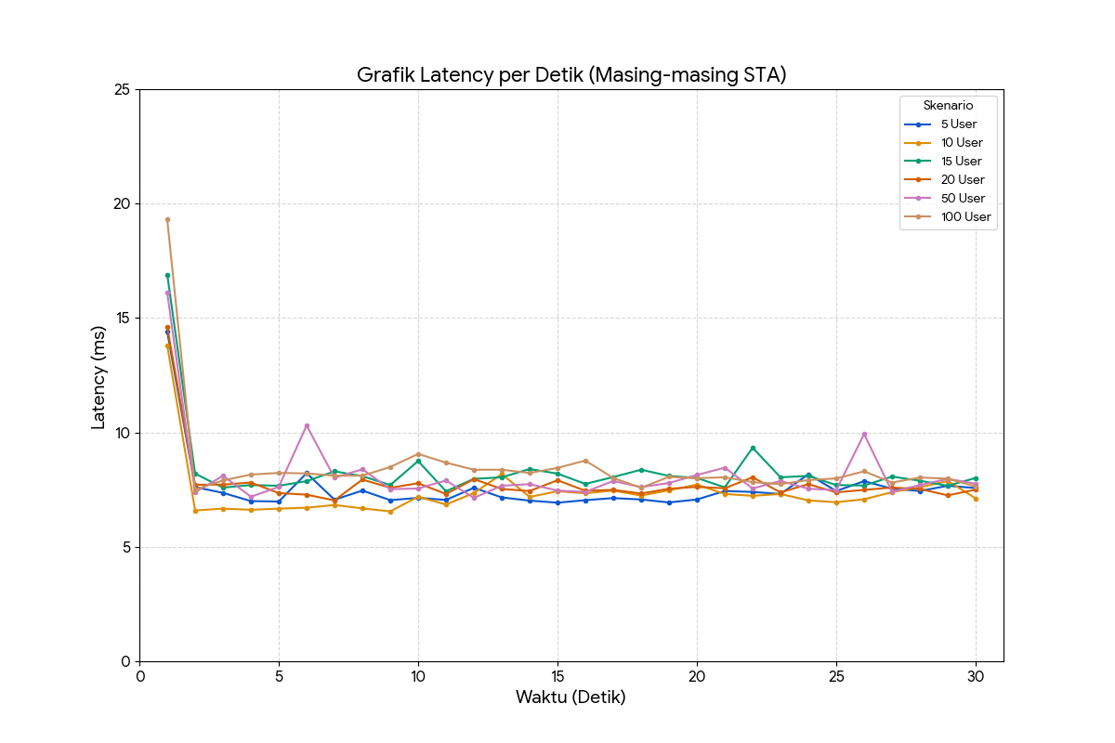
Jumlah User (STA) | Minimum (ms) | Rata-rata (Avg) (ms) | Maksimum (ms)
5 | 6,925 | 7,570 | 14,409
10 | 6,553 | 7,379 | 13,750
15 | 7,434 | 8,304 | 16,879
20 | 7,032 | 7,792 | 14,562
50 | 7,136 | 8,151 | 16,110
100 | 7,502 | 8,494 | 19,270

5 STA |  |  | 10 STA |  | 15 |  | 20 Sta |  |  | 50 STA |  |  | 100 STA
Detik ke- (Sequence) | Latency (ms) |  | Detik ke- (Sequence) | Latency (ms) | Detik ke- (Sequence) | Latency (ms) | Detik ke- (Sequence) | Latency (ms) |  | Detik ke- (Sequence) | Latency (ms) |  | Detik ke- (Sequence) | Latency (ms)
1 | 14.4 |  | 1 | 13.8 | 1 | 16.9 | 1 | 14.6 |  | 1 | 16.1 |  | 1 | 19.3
2 | 7.61 |  | 2 | 6.59 | 2 | 8.2 | 2 | 7.71 |  | 2 | 7.38 |  | 2 | 7.5
3 | 7.36 |  | 3 | 6.67 | 3 | 7.59 | 3 | 7.72 |  | 3 | 8.11 |  | 3 | 7.9
4 | 7 |  | 4 | 6.62 | 4 | 7.7 | 4 | 7.81 |  | 4 | 7.19 |  | 4 | 8.16
5 | 6.98 |  | 5 | 6.67 | 5 | 7.67 | 5 | 7.35 |  | 5 | 7.62 |  | 5 | 8.23
6 | 8.22 |  | 6 | 6.71 | 6 | 7.87 | 6 | 7.28 |  | 6 | 10.3 |  | 6 | 8.21
7 | 7.06 |  | 7 | 6.83 | 7 | 8.3 | 7 | 7.03 |  | 7 | 8.02 |  | 7 | 8.11
8 | 7.46 |  | 8 | 6.68 | 8 | 8.09 | 8 | 7.94 |  | 8 | 8.39 |  | 8 | 8.11
9 | 7.04 |  | 9 | 6.55 | 9 | 7.7 | 9 | 7.58 |  | 9 | 7.52 |  | 9 | 8.49
10 | 7.14 |  | 10 | 7.19 | 10 | 8.75 | 10 | 7.78 |  | 10 | 7.55 |  | 10 | 9.06
11 | 7.05 |  | 11 | 6.85 | 11 | 7.43 | 11 | 7.31 |  | 11 | 7.9 |  | 11 | 8.68
12 | 7.58 |  | 12 | 7.35 | 12 | 7.97 | 12 | 7.96 |  | 12 | 7.14 |  | 12 | 8.37
13 | 7.16 |  | 13 | 8.18 | 13 | 8.04 | 13 | 7.53 |  | 13 | 7.67 |  | 13 | 8.37
14 | 7.02 |  | 14 | 7.18 | 14 | 8.4 | 14 | 7.44 |  | 14 | 7.74 |  | 14 | 8.23
15 | 6.93 |  | 15 | 7.43 | 15 | 8.2 | 15 | 7.91 |  | 15 | 7.46 |  | 15 | 8.45
16 | 7.04 |  | 16 | 7.34 | 16 | 7.75 | 16 | 7.45 |  | 16 | 7.4 |  | 16 | 8.77
17 | 7.13 |  | 17 | 7.46 | 17 | 8.05 | 17 | 7.49 |  | 17 | 7.88 |  | 17 | 8.01
18 | 7.07 |  | 18 | 7.24 | 18 | 8.37 | 18 | 7.33 |  | 18 | 7.61 |  | 18 | 7.58
19 | 6.94 |  | 19 | 7.47 | 19 | 8.1 | 19 | 7.54 |  | 19 | 7.79 |  | 19 | 8.06
20 | 7.07 |  | 20 | 7.72 | 20 | 8.01 | 20 | 7.62 |  | 20 | 8.14 |  | 20 | 8
21 | 7.44 |  | 21 | 7.31 | 21 | 7.6 | 21 | 7.56 |  | 21 | 8.46 |  | 21 | 8.04
22 | 7.4 |  | 22 | 7.23 | 22 | 9.33 | 22 | 8.04 |  | 22 | 7.55 |  | 22 | 7.83
23 | 7.31 |  | 23 | 7.31 | 23 | 8.04 | 23 | 7.38 |  | 23 | 7.88 |  | 23 | 7.74
24 | 8.17 |  | 24 | 7.03 | 24 | 8.1 | 24 | 7.74 |  | 24 | 7.54 |  | 24 | 7.92
25 | 7.44 |  | 25 | 6.95 | 25 | 7.7 | 25 | 7.38 |  | 25 | 7.48 |  | 25 | 7.99
26 | 7.87 |  | 26 | 7.08 | 26 | 7.68 | 26 | 7.49 |  | 26 | 9.93 |  | 26 | 8.3
27 | 7.54 |  | 27 | 7.39 | 27 | 8.07 | 27 | 7.59 |  | 27 | 7.41 |  | 27 | 7.81
28 | 7.44 |  | 28 | 7.6 | 28 | 7.89 | 28 | 7.53 |  | 28 | 7.7 |  | 28 | 8.03
29 | 7.67 |  | 29 | 7.88 | 29 | 7.67 | 29 | 7.25 |  | 29 | 7.97 |  | 29 | 7.98
30 | 7.57 |  | 30 | 7.12 | 30 | 8.01 | 30 | 7.5 |  | 30 | 7.76 |  | 30 | 7.64

Jitter Rata-rata (ms) vs Jumlah User (STA)
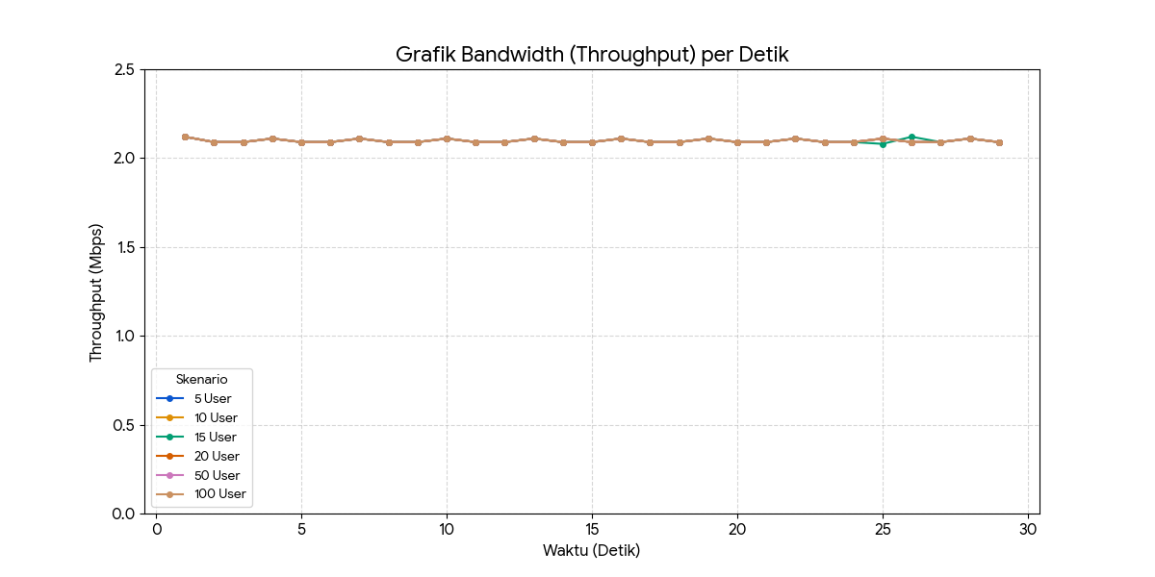
 |  |  |  |  |  |  |  | Detik ke- | 5 User | 10 User | 15 User | 20 User | 50 User | 100 User
Jumlah User (STA) | Jitter Rata-rata (ms) | Status |  |  |  |  |  | 1 | 2.12 | 2.12 | 2.12 | 2.12 | 2.12 | 2.12
5 STA | 0.182 | Sangat Stabil |  |  |  |  |  | 2 | 2.09 | 2.09 | 2.09 | 2.09 | 2.09 | 2.09
10 STA | 0.188 | Sangat Stabil |  |  |  |  |  | 3 | 2.09 | 2.09 | 2.09 | 2.09 | 2.09 | 2.09
15 STA | 0.171 | Sangat Stabil |  |  |  |  |  | 4 | 2.11 | 2.11 | 2.11 | 2.11 | 2.11 | 2.11
20 STA | 0.193 | Stabil |  |  |  |  |  | 5 | 2.09 | 2.09 | 2.09 | 2.09 | 2.09 | 2.09
50 STA | 0.271 | Sedikit Meningkat |  |  |  |  |  | 6 | 2.09 | 2.09 | 2.09 | 2.09 | 2.09 | 2.09
100 STA | 0.332 | Tertinggi (Wajar) |  |  |  |  |  | 7 | 2.11 | 2.11 | 2.11 | 2.11 | 2.11 | 2.11
 |  |  |  |  |  |  |  | 8 | 2.09 | 2.09 | 2.09 | 2.09 | 2.09 | 2.09
 |  |  |  |  |  |  |  | 9 | 2.09 | 2.09 | 2.09 | 2.09 | 2.09 | 2.09
Parameter | 5 User | 100 User |  |  |  |  |  | 10 | 2.11 | 2.11 | 2.11 | 2.11 | 2.11 | 2.11
Jitter Rata-rata | 0.182 ms | 0.332 ms |  |  |  |  |  | 11 | 2.09 | 2.09 | 2.09 | 2.09 | 2.09 | 2.09
 |  |  |  |  |  |  |  | 12 | 2.09 | 2.09 | 2.09 | 2.09 | 2.09 | 2.09
Detik Ke- | 5 User (%) | 100 User (%) |  |  |  |  |  | 13 | 2.11 | 2.11 | 2.11 | 2.11 | 2.11 | 2.11
1 - 30 | 0% | 0% |  |  |  |  |  | 14 | 2.09 | 2.09 | 2.09 | 2.09 | 2.09 | 2.09
Total | 0% (Stabil) | 0% (Stabil) |  |  |  |  |  | 15 | 2.09 | 2.09 | 2.09 | 2.09 | 2.09 | 2.09
 |  |  |  |  |  |  |  | 16 | 2.11 | 2.11 | 2.11 | 2.11 | 2.11 | 2.11
 |  |  |  |  |  |  |  | 17 | 2.09 | 2.09 | 2.09 | 2.09 | 2.09 | 2.09
 |  |  |  |  |  |  |  | 18 | 2.09 | 2.09 | 2.09 | 2.09 | 2.09 | 2.09
 |  |  |  |  |  |  |  | 19 | 2.11 | 2.11 | 2.11 | 2.11 | 2.11 | 2.11
 |  |  |  |  |  |  |  | 20 | 2.09 | 2.09 | 2.09 | 2.09 | 2.09 | 2.09
 |  |  |  |  |  |  |  | 21 | 2.09 | 2.09 | 2.09 | 2.09 | 2.09 | 2.09
 |  |  |  |  |  |  |  | 22 | 2.11 | 2.11 | 2.11 | 2.11 | 2.11 | 2.11
 |  |  |  |  |  |  |  | 23 | 2.09 | 2.09 | 2.09 | 2.09 | 2.09 | 2.09
 |  |  |  |  |  |  |  | 24 | 2.09 | 2.09 | 2.09 | 2.09 | 2.09 | 2.09
 |  |  |  |  |  |  |  | 25 | 2.11 | 2.11 | 2.11 | 2.08 | 2.11 | 2.11
 |  |  |  |  |  |  |  | 26 | 2.09 | 2.09 | 2.09 | 2.12 | 2.09 | 2.09
 |  |  |  |  |  |  |  | 27 | 2.09 | 2.09 | 2.09 | 2.09 | 2.09 | 2.09
 |  |  |  |  |  |  |  | 28 | 2.11 | 2.11 | 2.11 | 2.11 | 2.11 | 2.11
 |  |  |  |  |  |  |  | 29 | 2.09 | 2.09 | 2.09 | 2.09 | 2.09 | 2.09

